JVM_JRE_JDK
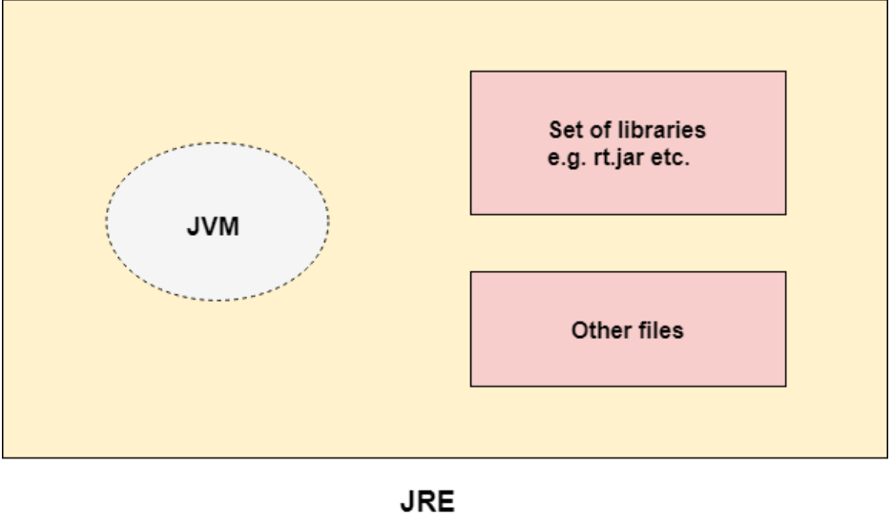
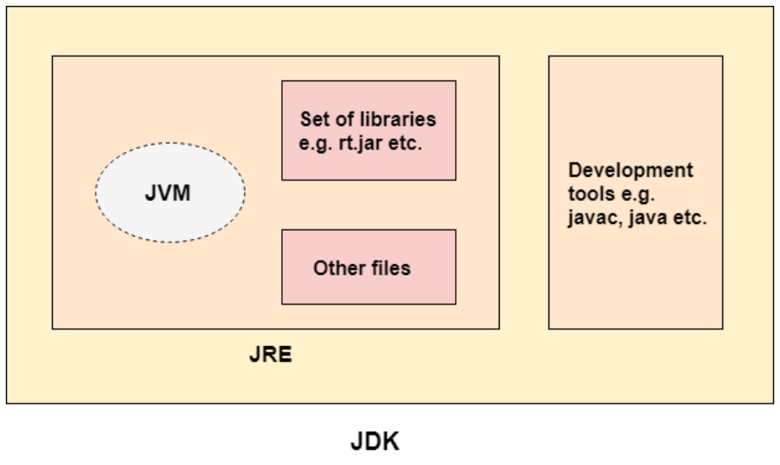
https://www.javatpoint.com/difference-between-jdk-jre-and-jvm
JDK, JRE and JVM

JVM is a specification that provides a runtime environment in which Java bytecode can be executed
JRE is the set of libraries and other files that JVM uses at the run time.
JDK is the set of Development tools such as Interpretor, Loader, archiver and compiler along with JRE.

Wrapper Classes
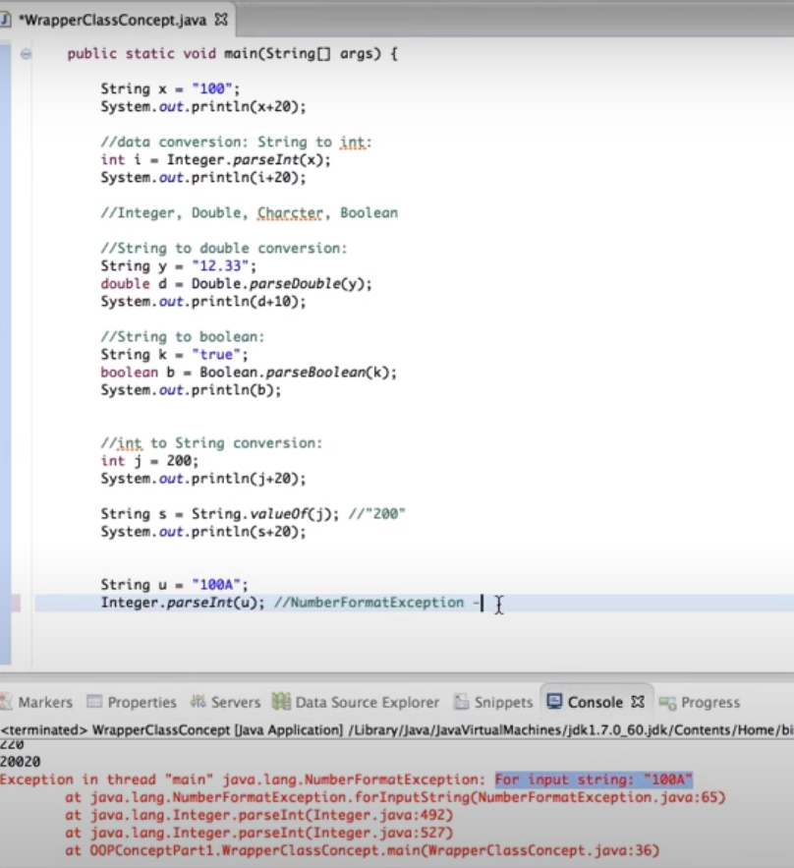
https://www.javatpoint.com/wrapper-class-in-java

The wrapper class in Java provides the mechanism to convert primitive into object and object into primitive.

Primitive Type | Wrapper class
boolean | Boolean
char | Character
byte | Byte
short | Short
int | Integer
long | Long
float | Float
double | Double

AutoBoxing
The automatic conversion of primitive data type into its corresponding wrapper class is known as autoboxing
1. int a=20;
2. Integer i=Integer.valueOf(a);//converting int into Integer explicitly
3. Integer j=a;//autoboxing, now compiler will write Integer.valueOf(a) internally

Unboxing
The automatic conversion of wrapper type into its corresponding primitive type is known as unboxing
1. Integer a=new Integer(3);
2. int i=a.intValue();//converting Integer to int explicitly
3. int j=a;//unboxing, now compiler will write a.intValue() internally

CallByValue and Reference
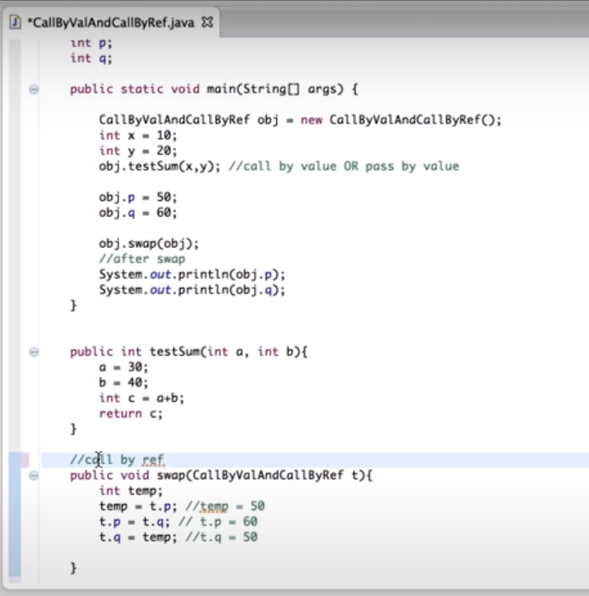
Call by value
A copy of variables is passed to the method
If there are any changes performed to the variables in the method, then the changes will not be reflected in the program. The reason is that only copy of variables is passed to the method.

Call by Reference
An object reference is passed to the method
If there are any changes performed to the object reference in the method, then the changes will be reflected in the program as well

Interfaces
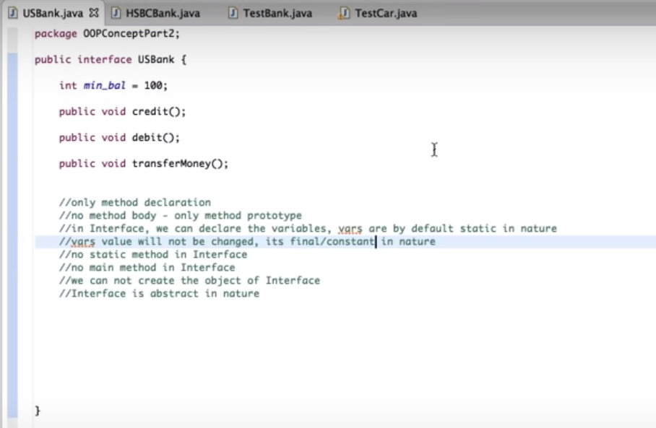

Multiple inheritance is possible with interfaces

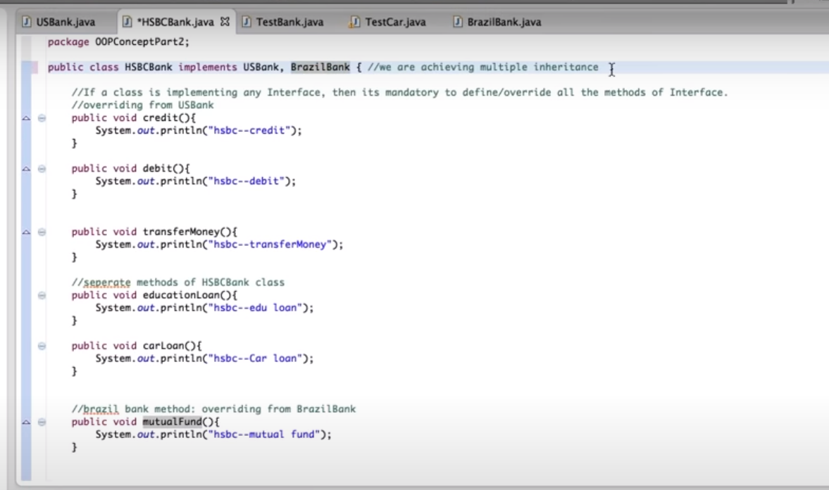

Is a relationship
If a class implements an interface using inheritance, this is "IS-A-RELATIONSHIP"

Has-a-relationshio
Class to Class relation ship using extends keyword is "HAS-A-RELATIONSHIP"

